SERGIO TACCHINI
Images | Ref | Description | Color | XS | S | M | L | XL | 2XL | 3XL | # Units | Retail | Total Retail
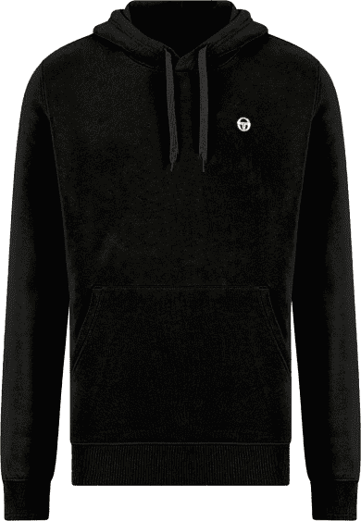 | 103. 10002 | HOODIE CREW NECK SMALL LOGO | BLACK/WHITE |  |  | 482 | 964 | 964 | 482 |  | 2,892 | 69.90 € | 202,150.80 €
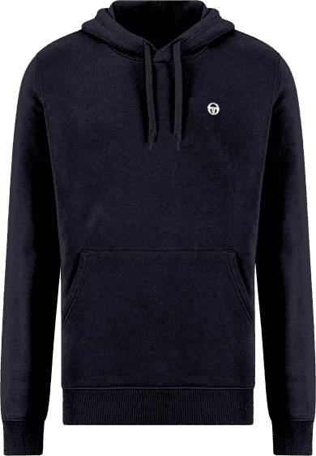 | 103. 10002 | 60% COT.- 40% POLY GSM 260 INSIDE BRUSHED | BLUE/WHITE |  |  | 482 | 964 | 964 | 482 |  | 2,892 | 69.90 € | 202,150.80 €
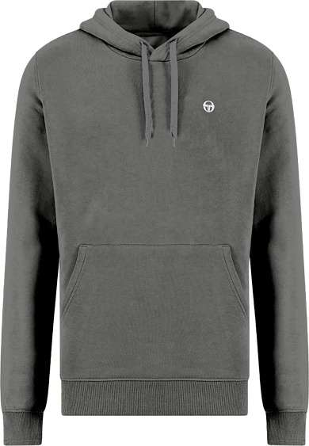 | 103. 10002 | 60% COT.- 40% POLY GSM 260 INSIDE BRUSHED | GREY MEL/WHITE |  |  | 160 | 320 | 320 | 160 |  | 960 | 69.90 € | 67,104.00 €
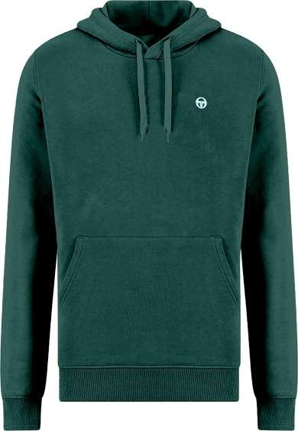 | 103. 10002 | 60% COT.- 40% POLY GSM 260 INSIDE BRUSHED | ARMY GREEN/WHITE |  |  | 191 | 221 | 221 | 191 |  | 824 | 69.90 € | 57,597.60 €
 | 103 .10009 | CUFF PANT | BLUE/WHITE |  |  | 323 | 646 | 646 | 323 |  | 1,938 | 64.90 € | 125,776.20 €
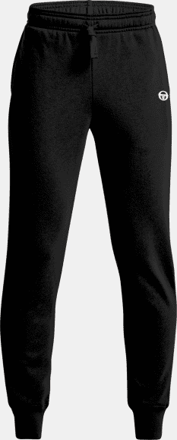 | 103 .10009 | 65% COT.- 35% POLY GSM 260 INSIDE BRUSHED | BLACK/WHITE |  |  | 323 | 646 | 646 | 323 |  | 1,938 | 64.90 € | 125,776.20 €
 | 103 .10009 | 65% COT.- 35% POLY GSM 260 INSIDE BRUSHED | ARMY GREEN/WHITE |  |  | 100 | 100 | 100 | 100 |  | 400 | 64.90 € | 25,960.00 €
 | 103 .10009 | 65% COT.- 35% POLY GSM 260 INSIDE BRUSHED | GREY MEL/WHITE |  |  | 123 | 246 | 246 | 123 |  | 738 | 64.90 € | 47,896.20 €
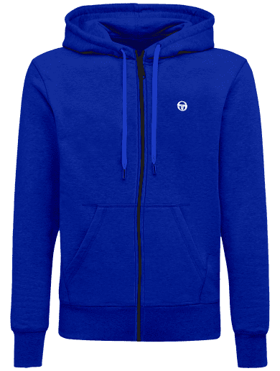 | 103 . 10001 | HOODIE FULL ZIP | BLUE/WHITE |  |  | 43 | 86 | 86 | 43 |  | 258 | 74.90 € | 19,324.20 €
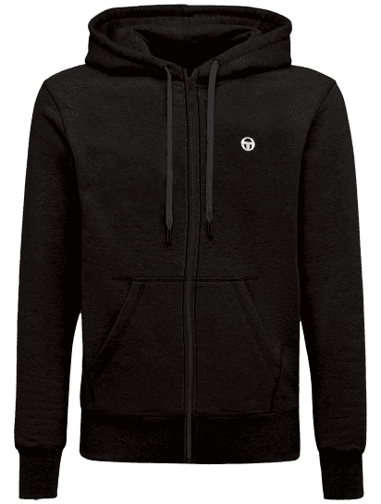 | 103 . 10001 | 60% COT.- 40% POLY GSM 260 INSIDE BRUSHED | BLACK/WHITE |  |  | 40 | 80 | 80 | 40 |  | 240 | 74.90 € | 17,976.00 €
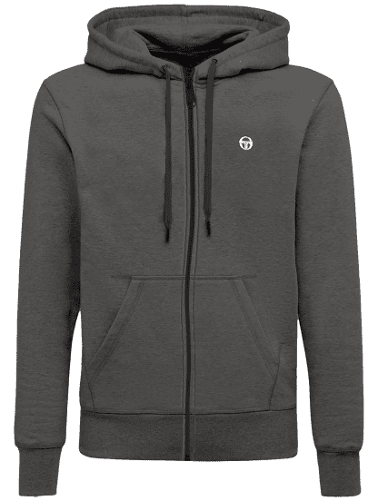 | 103 . 10001 | 60% COT.- 40% POLY GSM 260 INSIDE BRUSHED | GREY MEL/WHITE |  |  | 43 | 86 | 86 | 43 |  | 258 | 74.90 € | 19,324.20 €
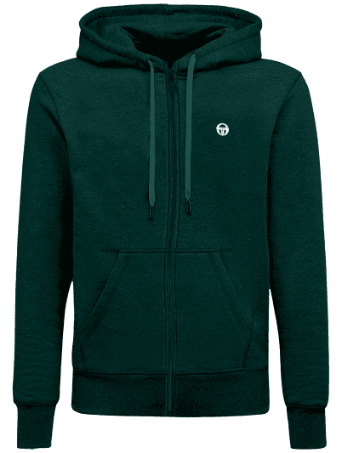 | 103 . 10001 | 60% COT.- 40% POLY GSM 260 INSIDE BRUSHED | GREEN/WHITE |  |  | 43 | 86 | 86 | 42 |  | 257 | 74.90 € | 19,249.30 €
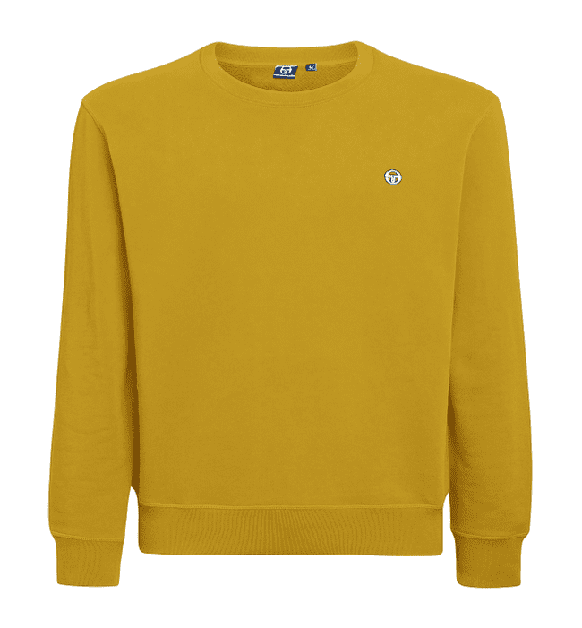 | 103 . 20006 | CREW NECK SMALL LOGO | YELLOW |  | 160 | 87 | 285 | 279 | 1538 |  | 2,349 | 59.90 € | 140,705.10 €
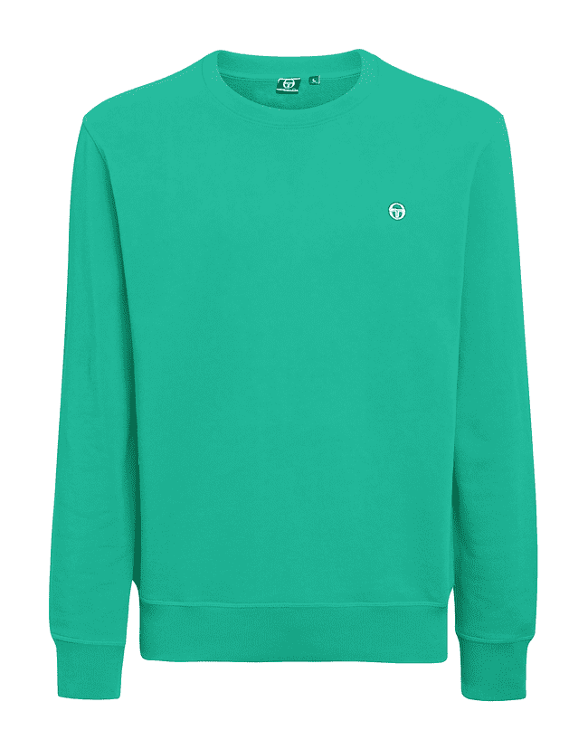 | 103 . 20006 | 60% COT.- 40% POLY GSM 260 INSIDE BRUSHED | KELLY GREEN | 163 | 56 | 184 | 446 | 331 | 263 |  | 1,443 | 59.90 € | 86,435.70 €
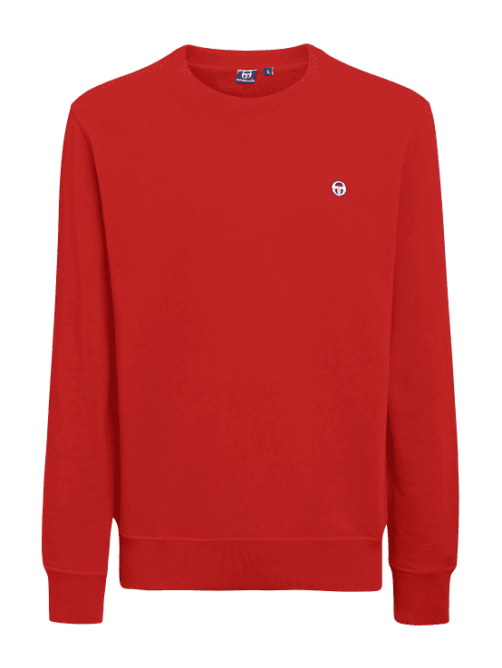 | 103 . 20006 | 60% COT.- 40% POLY GSM 260 INSIDE BRUSHED | CHILI GOLD | 11 | 931 | 789 | 1008 | 47 | 542 | 84 | 3,412 | 59.90 € | 204,378.80 €
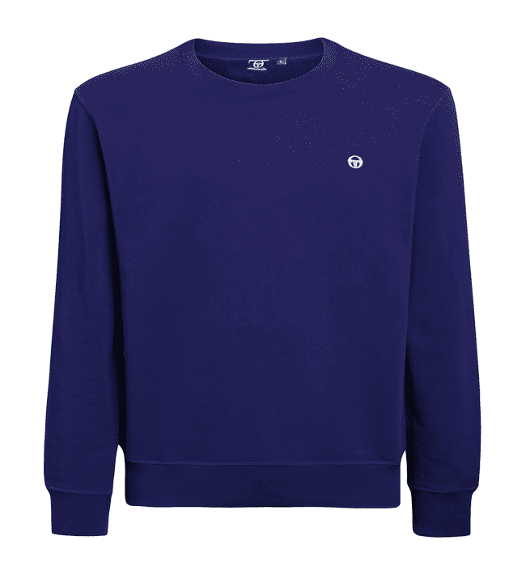 | 103 . 20006 | 60% COT.- 40% POLY GSM 260 INSIDE BRUSHED | RADIANT PURPLE | 4 | 687 | 749 | 636 | 810 | 324 | 224 | 3,434 | 59.90 € | 205,696.60 €
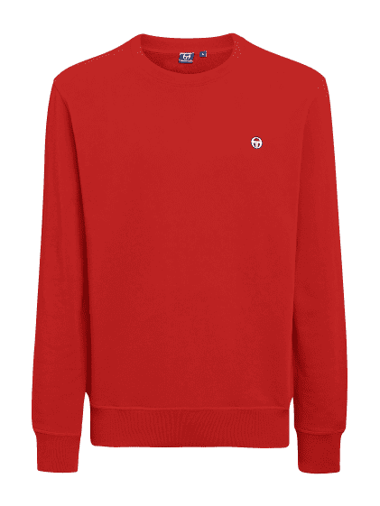 | 103 . 20006 | 60% COT.- 40% POLY GSM 260 INSIDE BRUSHED | FIRE RED | 48 | 137 | 59 | 62 | 93 | 124 | 129 | 652 | 59.90 € | 39,054.80 €
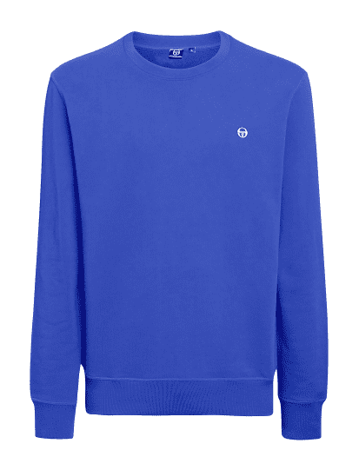 | 103 . 20006 | 60% COT.- 40% POLY GSM 260 INSIDE BRUSHED | MILLEMIAC LILAC | 0 | 0 | 26 | 161 | 116 | 0 |  | 303 | 59.90 € | 18,149.70 €
Total Sergio Tacchini |  |  |  | 226 | 1,971 | 4,247 | 7,043 | 6,121 | 5,143 | 437 | 25,188 | 64.50 € | 1,624,706.20 €

